Cross Junction
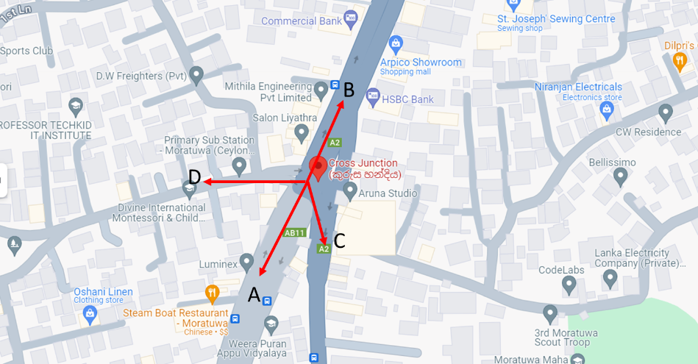
0600 - 0700
Phase No. | 1 - Signal Light |  |  |  | 2 - Signal Light
 | Direction | Video Start | Video End | Signal time | Direction | Video Start | Video End | Signal time
1 | A - B | 6:33:41 | 6:34:26 | 0:00:45 | A - B | 6:42:23 | 6:43:09 | 0:00:46
2 | A - D | 6:33:41 | 6:34:26 | 0:00:45 | A - D | 6:42:23 | 6:43:09 | 0:00:46
3 | D - A | 6:34:26 | 6:34:40 | 0:00:14 | D - A | 6:43:09 | 6:43:26 | 0:00:17
4 | D - B | 6:34:26 | 6:34:40 | 0:00:14 | D - B | 6:43:09 | 6:43:26 | 0:00:17
5 | D - C | 6:34:26 | 6:34:40 | 0:00:14 | D - C | 6:43:09 | 6:43:26 | 0:00:17
6 | C - B | 6:34:40 | 6:35:11 | 0:00:31 | C - B | 6:43:26 | 6:43:53 | 0:00:27
7 | C - D | 6:34:40 | 6:35:11 | 0:00:31 | C - D | 6:43:26 | 6:43:53 | 0:00:27
8 | B - A | 6:35:11 | 6:36:07 | 0:00:56 | B - A | 6:43:53 | 6:44:52 | 0:00:59
9 | B - D | 6:35:11 | 6:35:27 | 0:00:16 | B - D | 6:43:53 | 6:44:09 | 0:00:16
10 | A - B | 6:35:27 | 6:36:07 | 0:00:40 | A - B | 6:44:09 | 6:44:52 | 0:00:43
11 | A -D | 6:35:27 | 6:36:07 | 0:00:40 | A -D | 6:44:09 | 6:44:52 | 0:00:43
12 | A - C |  |  |  | A - C
13 | B - C |  |  |  | B - C
14 | C - A |  |  |  | C - A

0700 - 0800
Phase No. | 1 - Manual |  |  |  | 2 - Manual
 | Direction | Video Start | Video End | Signal time | Direction | Video Start | Video End | Signal time
1 | A - B | 7:01:40 | 7:02:26 | 0:00:46 | A - B | 7:38:25 | 7:39:09 | 0:00:44
2 | A - D | 7:01:40 | 7:02:26 | 0:00:46 | A - D | 7:38:25 | 7:39:09 | 0:00:44
3 | D - A | 7:02:26 | 7:02:44 | 0:00:18 | D - A | 7:39:09 | 7:39:28 | 0:00:19
4 | D - B | 7:02:26 | 7:02:44 | 0:00:18 | D - B | 7:39:09 | 7:39:28 | 0:00:19
5 | D - C | 7:02:26 | 7:02:44 | 0:00:18 | D - C | 7:39:09 | 7:39:28 | 0:00:19
6 | C - B | 7:02:44 | 7:03:10 | 0:00:26 | C - B | 7:39:28 | 7:39:56 | 0:00:28
7 | C - D | 7:02:44 | 7:03:10 | 0:00:26 | C - D | 7:39:28 | 7:39:56 | 0:00:28
8 | B - A | 7:03:10 | 7:04:08 | 0:00:58 | B - A | 7:39:56 | 7:40:52 | 0:00:56
9 | B - D | 7:03:10 | 7:03:23 | 0:00:13 | B - D | 7:39:56 | 7:40:10 | 0:00:14
10 | A - B | 7:03:23 | 7:04:08 | 0:00:45 | A - B | 7:40:10 | 7:40:52 | 0:00:42
11 | A -D | 7:03:23 | 7:04:08 | 0:00:45 | A -D | 7:40:10 | 7:40:52 | 0:00:42
12 | A - C |  |  |  | A - C
13 | B - C |  |  |  | B - C
14 | C- A |  |  |  | B - C

0800 - 0900
Phase No. | 1 - Manual |  |  |  | 2 - Signal Light
 | Direction | Video Start | Video End | Signal time | Direction | Video Start | Video End | Signal time
1 | A - B | 8:07:11 | 8:07:56 | 0:00:45 | A - B | 8:42:29 | 8:43:13 | 0:00:44
2 | A - D | 8:07:11 | 8:07:56 | 0:00:45 | A - D | 8:42:29 | 8:43:13 | 0:00:44
3 | D - A | 8:07:56 | 8:08:10 | 0:00:14 | D - A | 8:43:13 | 8:43:30 | 0:00:17
4 | D - B | 8:07:56 | 8:08:10 | 0:00:14 | D - B | 8:43:13 | 8:43:30 | 0:00:17
5 | D - C | 8:07:56 | 8:08:10 | 0:00:14 | D - C | 8:43:13 | 8:43:30 | 0:00:17
6 | C - B | 8:08:10 | 8:08:41 | 0:00:31 | C - B | 8:43:30 | 8:43:56 | 0:00:26
7 | C - D | 8:08:10 | 8:08:41 | 0:00:31 | C - D | 8:43:30 | 8:43:56 | 0:00:26
8 | B - A | 8:08:41 | 8:09:40 | 0:00:59 | B - A | 8:43:56 | 8:44:56 | 0:01:00
9 | B - D | 8:08:41 | 8:09:00 | 0:00:19 | B - D | 8:43:56 | 8:44:15 | 0:00:19
10 | A - B | 8:09:00 | 8:09:40 | 0:00:40 | A - B | 8:44:15 | 8:44:56 | 0:00:41
11 | A -D | 8:09:00 | 8:09:40 | 0:00:40 | A -D | 8:44:15 | 8:44:56 | 0:00:41
12 | A - C |  |  |  | A - C
13 | B - C |  |  |  | B - C
14 | C- A |  |  |  | B - C

Katubedda
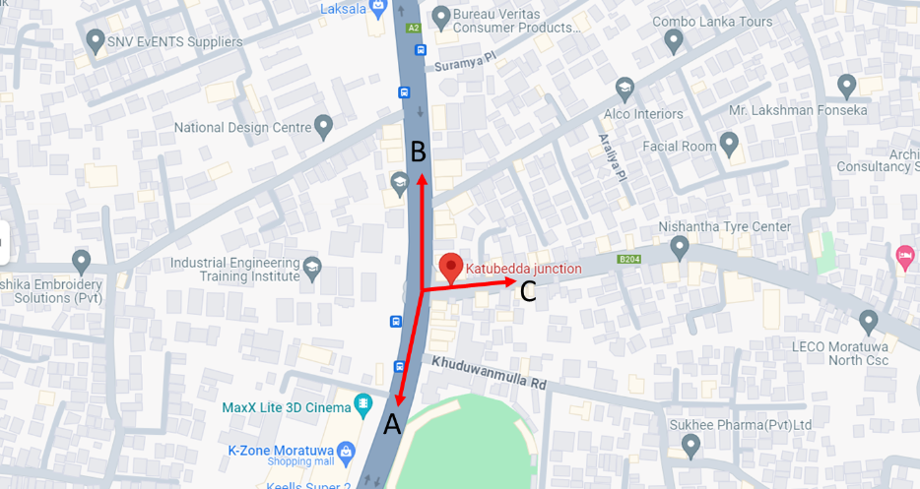
0600 - 0700
Phase No. | 1 - Signal Light |  |  |  | 2 - Signal Light
 | Direction | Video Start | Video End | Signal time | Direction | Video Start | Video End | Signal time
1 | A - B | 6:00:32 | 6:02:15 | 0:01:43 | A - B | 6:42:40 | 6:44:23 | 0:01:43
2 | B - A | 6:00:32 | 6:01:16 | 0:00:44 | B - A | 6:42:40 | 6:43:30 | 0:00:50
3 | B - C | 6:00:32 | 6:01:01 | 0:00:29 | B - C | 6:42:40 | 6:43:08 | 0:00:28
4 | A - C | 6:01:16 | 6:02:15 | 0:00:59 | A - C | 6:43:30 | 6:44:23 | 0:00:53
5 | C - A | 6:01:16 | 6:02:15 | 0:00:59 | C - A | 6:43:30 | 6:44:23 | 0:00:53
6 | C - B | 6:02:15 | 6:03:12 | 0:00:57 | C - B | 6:44:23 | 6:45:20 | 0:00:57
7 | A - B | 6:03:12 | 6:04:55 | 0:01:43 | A - B | 6:45:20 | 6:47:00 | 0:01:40
8 | B - A | 6:03:12 | 6:04:04 | 0:00:52 | B - A | 6:45:20 | 6:46:11 | 0:00:51
9 | B - C | 6:03:12 | 6:03:36 | 0:00:24 | B - C | 6:45:20 | 6:45:53 | 0:00:33
10 | A - C | 6:04:04 | 6:04:55 | 0:00:51 | A - C | 6:46:11 | 6:47:00 | 0:00:49

0700 - 0800
Phase No. | 1 - Signal Light |  |  |  | 2 - Manual
 | Direction | Video Start | Video End | Signal time | Direction | Video Start | Video End | Signal time
1 | A - B | 7:06:25 | 7:08:05 | 0:01:40 | A - B | 7:44:43 | 7:46:01 | 0:01:18
2 | B - A | 7:06:25 | 7:07:14 | 0:00:49 | B - A | 7:44:43 | 7:45:32 | 0:00:49
3 | B - C | 7:06:25 | 7:06:48 | 0:00:23 | B - C | 7:44:43
4 | A - C | 7:07:14 | 7:08:05 | 0:00:51 | A - C | 7:45:32 | 7:46:01 | 0:00:29
5 | C - A | 7:07:14 | 7:08:05 | 0:00:51 | C - A | 7:45:32 | 7:46:01 | 0:00:29
6 | C - B | 7:08:05 | 7:09:02 | 0:00:57 | C - B | 7:46:01 | 7:47:06 | 0:01:05
7 | A - B | 7:09:02 | 7:10:43 | 0:01:41 | A - B | 7:47:06 | 7:48:33 | 0:01:27
8 | B - A | 7:09:02 | 7:09:52 | 0:00:50 | B - A | 7:47:06 | 7:48:33 | 0:01:27
9 | B - C | 7:09:02 | 7:09:26 | 0:00:24 | B - C | 7:47:06
10 | A - C | 7:09:52 | 7:10:43 | 0:00:51 | C - B | 7:48:33 | 7:49:38 | 0:01:05
 |  |  |  |  | A - B | 7:49:38 | 7:51:01 | 0:01:23
 |  |  |  |  | B - A | 7:49:38 | 7:50:18 | 0:00:40
 |  |  |  |  | B - C | 7:49:38
 |  |  |  |  | A - C | 7:50:18 | 7:51:01 | 0:00:43

0800 - 0900
Phase No. | 1 - Signal Light |  |  |  | 2 - Signal Light
 | Direction | Video Start | Video End | Signal time | Direction | Video Start | Video End | Signal time
1 | A - B | 8:15:47 | 8:17:43 | 0:01:56 | A - B | 8:43:53 | 8:45:32 | 0:01:39
2 | B - A | 8:15:47 | 8:16:53 | 0:01:06 | B - A | 8:43:53 | 8:44:48 | 0:00:55
3 | B - C | 8:15:47 |  |  | B - C | 8:43:53 | 8:44:20 | 0:00:27
4 | A - C | 8:16:53 | 8:17:43 | 0:00:50 | A - C | 8:44:48 | 8:45:32 | 0:00:44
5 | C - A | 8:16:53 | 8:18:28 | 0:01:35 | C - A | 8:44:48
6 | C - B | 8:17:43 | 8:18:50 | 0:01:07 | C - B | 8:45:32 | 8:46:25 | 0:00:53
7 | A - B | 8:18:50 | 8:20:47 | 0:01:57 | A - B | 8:46:25 | 8:48:05 | 0:01:40
8 | B - A | 8:18:50 | 8:19:55 | 0:01:05 | B - A | 8:46:25 | 8:47:20 | 0:00:55
9 | B - C | 8:18:50 | 8:19:30 | 0:00:40 | B - C | 8:46:25 | 8:46:53 | 0:00:28
10 | A - C | 8:19:55 | 8:20:47 | 0:00:52 | A - C | 8:47:20 | 8:48:05 | 0:00:45

Angulana
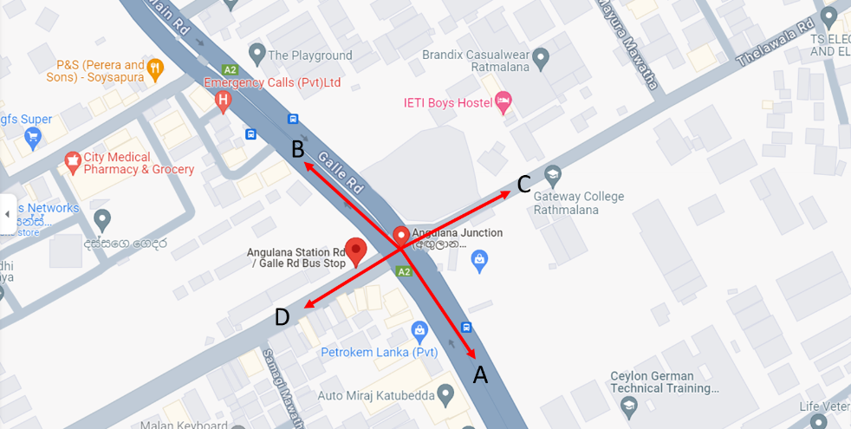
0600 - 0700: No Manual or Signal Light Operations
Phase No. | 1 |  |  |  | 2
 | Direction | Video Start | Video End | Signal time | Direction | Video Start | Video End | Signal time
1
2
3
4
5
6
7
8

0700 - 0800: No Manual or Signal Light Operations
Phase No. | 1 |  |  |  | 2
 | Direction | Video Start | Video End | Signal time | Direction | Video Start | Video End | Signal time
1
2
3
4
5
6
7
8

0800 - 0900: No Manual or Signal Light Operations
Phase No. | 1 |  |  |  | 2
 | Direction | Video Start | Video End | Signal time | Direction | Video Start | Video End | Signal time
1
2
3
4
5
6
7
8

Borupana
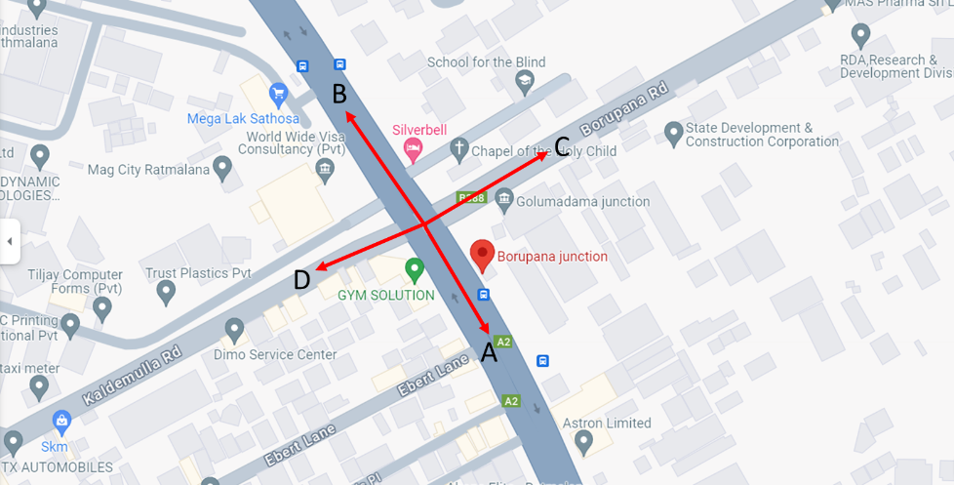
0600 - 0700
Phase No. | 1 - Signal Light |  |  |  | 2 - Signal Light
 | Direction | Video Start | Video End | Signal time | Direction | Video Start | Video End | Signal time
1 | A - B | 6:12:09 | 6:13:44 | 0:01:35 | A - B | 6:43:14 | 6:45:23 | 0:02:09
2 | A - C | 6:12:09 | 6:12:38 | 0:00:29 | A - C | 6:43:14 | 6:43:54 | 0:00:40
3 | B - A | 6:12:38 | 6:14:24 | 0:01:46 | B - A | 6:43:54 | 6:46:04 | 0:02:10
4 | B - D | 6:13:44 | 6:14:24 | 0:00:40 | B - D | 6:45:23 | 6:45:48 | 0:00:25
5 | D - A | 6:14:01 | 6:14:24 | 0:00:23 | D - A | 6:45:48 | 6:46:04 | 0:00:16
6 | C - B | 6:14:24 | 6:14:38 | 0:00:14 | C - B | 6:46:04 | 6:46:36 | 0:00:32
7 | A - B | 6:14:38 | 6:16:12 | 0:01:34 | A - B | 6:46:36 | 6:48:47 | 0:02:11
8 | A - C | 6:14:38 | 6:15:11 | 0:00:33 | A - C | 6:46:36 | 6:47:15 | 0:00:39
9 | B - A | 6:15:11 | 6:16:12 | 0:01:01 | B - A | 6:47:15 | 6:49:08 | 0:01:53
10 | A - B |  |  |  | A - B
11 | B - A |  |  |  | B - A
12 | B - C |  |  |  | B - C
13 | C - A |  |  |  | C - A
14 | C - D |  |  |  | C - D
15 | D - B |  |  |  | D - B
16 | D - C |  |  |  | D - C

0700 - 0800
Phase No. | 1 - Signal Light |  |  |  | 2 - Manual
 | Direction | Video Start | Video End | Signal time | Direction | Video Start | Video End | Signal time
1 | A - B | 7:00:44 | 7:03:03 | 0:02:19 | A - B | 7:30:20 | 7:31:18 | 0:00:58
2 | A - C | 7:00:44 | 7:01:25 | 0:00:41 | A - C | 7:30:20 | 7:30:35 | 0:00:15
3 | C - A | 7:00:44 | 7:01:25 | 0:00:41 | C - A | 7:30:20 | 7:30:35 | 0:00:15
4 | B - A | 7:01:25 | 7:03:12 | 0:01:47 | B - A | 7:30:35 | 7:31:46 | 0:01:11
5 | B - C | 7:01:25 | 7:03:14 | 0:01:49 | B - C | 7:30:35 | 7:31:46 | 0:01:11
6 | B - D | 7:03:03 | 7:03:14 | 0:00:11 | B - D | 7:31:18 | 7:31:46 | 0:00:28
7 | D - A | 7:03:14 | 7:03:38 | 0:00:24 | D - A | 7:31:46 | 7:32:01 | 0:00:15
8 | C - A | 7:03:14 | 7:05:33 | 0:02:19 | C - A | 7:31:46 | 7:32:29 | 0:00:43
9 | D - C | 7:03:14 | 7:03:38 | 0:00:24 | D - C | 7:31:46 | 7:32:01 | 0:00:15
10 | C - B | 7:03:38 | 7:03:53 | 0:00:15 | C - B | 7:32:01 | 7:32:29 | 0:00:28
11 | C - D | 7:03:38 | 7:03:53 | 0:00:15 | C - D | 7:32:01 | 7:32:29 | 0:00:28
12 | A - B | 7:03:53 | 7:05:33 | 0:01:40 | A - B | 7:32:29 | 7:33:38 | 0:01:09
13 | A - C | 7:03:53 | 7:04:04 | 0:00:11 | A - C | 7:32:29 | 7:32:40 | 0:00:11
14 | B - A | 7:04:00 | 7:05:33 | 0:01:33 | B - A | 7:32:40 | 7:33:57 | 0:01:17
15 | A - D |  |  |  | A - D
16 | D - B |  |  |  | D - B

0800 - 0900
Phase No. | 1 - Manual |  |  |  | 2 - Manual
 | Direction | Video Start | Video End | Signal time | Direction | Video Start | Video End | Signal time
1 | A - B | 8:19:06 | 8:20:35 | 0:01:29 | A - B | 8:45:48 | 8:47:53 | 0:02:05
2 | A - C | 8:19:06 | 8:19:23 | 0:00:17 | A - C | 8:45:48 | 8:46:04 | 0:00:16
3 | C - A | 8:19:06 | 8:19:23 | 0:00:17 | C - A | 8:45:48 | 8:46:04 | 0:00:16
4 | B - A | 8:19:23 | 8:20:51 | 0:01:28 | B - A | 8:46:04 | 8:48:20 | 0:02:16
5 | B - C | 8:19:23 | 8:20:51 | 0:01:28 | B - C | 8:46:04 | 8:48:20 | 0:02:16
6 | B - D | 8:20:35 | 8:20:51 | 0:00:16 | B - D | 8:47:53 | 8:48:20 | 0:00:27
7 | D - A | 8:20:51 | 8:21:07 | 0:00:16 | D - A | 8:48:20 | 8:48:30 | 0:00:10
8 | C - A | 8:20:51 | 8:21:28 | 0:00:37 | C - A | 8:48:20 | 8:49:02 | 0:00:42
9 | D - C | 8:20:51 | 8:21:07 | 0:00:16 | D - C | 8:48:20 | 8:48:30 | 0:00:10
10 | C - B | 8:21:07 | 8:21:28 | 0:00:21 | C - B | 8:48:30 | 8:48:43 | 0:00:13
11 | C - D | 8:21:07 | 8:21:28 | 0:00:21 | C - D | 8:48:30 | 8:48:43 | 0:00:13
12 | A - B | 8:21:28 | 8:23:05 | 0:01:37 | A - B | 8:48:43 | 8:49:56 | 0:01:13
13 | A - C | 8:21:28 | 8:21:49 | 0:00:21 | A - C | 8:48:43 | 8:49:02 | 0:00:19
14 | B - A | 8:21:49 | 8:23:39 | 0:01:50 | B - A | 8:49:02 | 8:50:13 | 0:01:11
15 | A - D |  |  |  | A - D
16 | D - B |  |  |  | D - B

Belek Kade
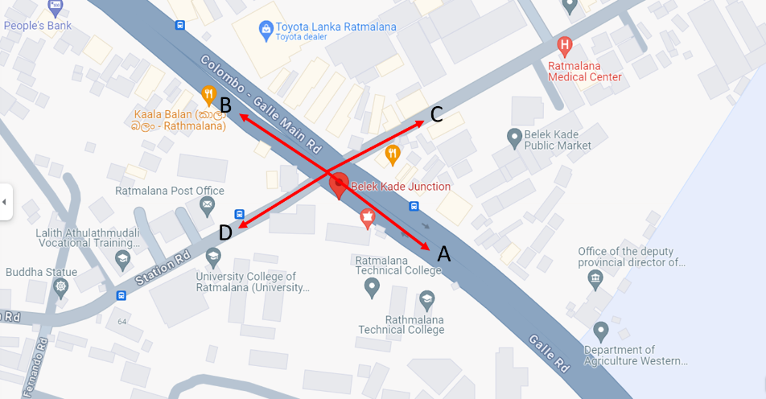
0600 - 0700: No Manual or Signal Light Operations
Phase No. | 1 |  |  |  | 2
 | Direction | Video Start | Video End | Signal time | Direction | Video Start | Video End | Signal time
1
2
3
4
5
6
7
8

0700 - 0800
Phase No. | 1 - Manual |  |  |  | 2 - Manual
 | Direction | Video Start | Video End | Signal time | Direction | Video Start | Video End | Signal time
1 | D - C | 7:22:01 | 7:22:16 | 0:00:15 | D - C | 7:35:59 | 7:36:07 | 0:00:08
2 | D - A | 7:22:01 | 7:22:16 | 0:00:15 | D - A | 7:35:59 | 7:36:07 | 0:00:08
3 | A - B | 7:22:16 | 7:23:33 | 0:01:17 | A - C | 7:36:07 | 7:36:23 | 0:00:16
4 | B - A | 7:22:16 | 7:23:41 | 0:01:25 | B - D | 7:36:07 | 7:36:23 | 0:00:16
5 | D - C | 7:23:41 | 7:23:49 | 0:00:08 | A - B | 7:36:20 | 7:37:44 | 0:01:24
6 | D - A | 7:23:41 | 7:23:49 | 0:00:08 | B - A | 7:36:23 | 7:36:49 | 0:00:26
7 | B - D |  |  |  | A - C | 7:36:49 | 7:36:57 | 0:00:08
8 | A - C |  |  |  | B - A | 7:36:57 | 7:37:04 | 0:00:07
9 | C - B |  |  |  | C -B
10 | C - D |  |  |  | C- D
11 | D - B |  |  |  | D - B
12 | B - C |  |  |  | B - C
13 | C - A |  |  |  | C - A
14 | A - D |  |  |  | A - D

0800 - 0900
Phase No. | 1 - Manual |  |  |  | 2 - Manual
 | Direction | Video Start | Video End | Signal time | Direction | Video Start | Video End | Signal time
1 | C - D | 8:11:54 | 8:11:58 | 0:00:04 | C - B | 8:30:05 | 8:30:09 | 0:00:04
2 | B - D | 8:11:54 | 8:11:58 | 0:00:04 | A - B | 8:30:09 | 8:32:09 | 0:02:00
3 | D - C | 8:11:58 | 8:12:06 | 0:00:08 | B - A | 8:30:09 | 8:30:30 | 0:00:21
4 | D - A | 8:11:58 | 8:12:06 | 0:00:08 | A - C | 8:30:30 | 8:30:33 | 0:00:03
5 | A - B | 8:12:06 | 8:12:45 | 0:00:39 | B - A | 8:30:33 | 8:30:55 | 0:00:22
6 | B - A | 8:12:06 | 8:12:29 | 0:00:23 | A - C | 8:30:55 | 8:31:01 | 0:00:06
7 | A - C | 8:12:29 | 8:12:33 | 0:00:04 | B - A | 8:31:01 | 8:32:15 | 0:01:14
8 | B - A | 8:12:33 | 8:12:45 | 0:00:12 | B - D | 8:32:09 | 8:32:15 | 0:00:06
9 | C - B |  |  |  | A - C | 8:32:09 | 8:32:15 | 0:00:06
10 | D - B |  |  |  | D - C | 8:32:15 | 8:32:32 | 0:00:17
11 | B - C |  |  |  | D - A | 8:32:15 | 8:32:32 | 0:00:17
12 | C - A |  |  |  | C - D
13 | A - D |  |  |  | D - B
 |  |  |  |  | B - C
 |  |  |  |  | C - A
 |  |  |  |  | A - D

Maliban
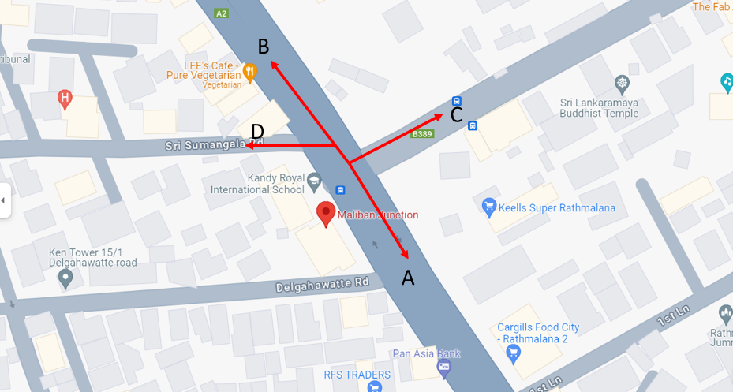
0600 - 0700: No Manual or Signal Light Operations
Phase No. | Direction | 1 |  |  | 2
 |  | Video Start | Video End | Signal time | Direction | Video Start | Video End | Signal time
1
2
3
4
5
6
7
8

0700 - 0800
Phase No. | 1 - Manual |  |  |  | 2 - Manual
 | Direction | Video Start | Video End | Signal time | Direction | Video Start | Video End | Signal time
1 | A - C | 7:21:12 | 7:21:46 | 0:00:34 | A - C | 7:51:03 | 7:51:33 | 0:00:30
2 | C - A | 7:21:12 | 7:22:42 | 0:01:30 | A - B | 7:51:03 | 7:52:23 | 0:01:20
3 | B - A | 7:21:46 | 7:22:42 | 0:00:56 | C - A | 7:51:07 | 7:52:27 | 0:01:20
4 | C - B | 7:22:42 | 7:22:54 | 0:00:12 | B - A | 7:51:33 | 7:52:23 | 0:00:50
5 | A - C | 7:22:54 | 7:23:39 | 0:00:45 | C - B | 7:52:23 | 7:52:44 | 0:00:21
6 | A - B | 7:22:54 | 7:24:40 | 0:01:46 | A - C | 7:52:44 | 7:53:26 | 0:00:42
7 | B - A | 7:23:39 | 7:24:22 | 0:00:43 | A - B | 7:52:44 | 7:53:57 | 0:01:13
8 | B - C |  |  |  | B - C

0800 - 0900
Phase No. | 1 - Manual |  |  |  | 2 - Manual
 | Direction | Video Start | Video End | Signal time | Direction | Video Start | Video End | Signal time
1 | B - A | 8:12:15 | 8:12:41 | 0:00:26 | B - A | 8:51:42 | 8:51:57 | 0:00:15
2 | C - B | 8:12:41 | 8:13:03 | 0:00:22 | A - B | 8:51:50 | 8:53:16 | 0:01:26
3 | A - C | 8:13:03 | 8:13:35 | 0:00:32 | A - C | 8:51:57 | 8:52:23 | 0:00:26
4 | A - B | 8:13:03 | 8:14:11 | 0:01:08 | B - A | 8:52:23 | 8:53:16 | 0:00:53
5 | B - A | 8:13:35 | 8:14:19 | 0:00:44 | C - B | 8:53:16 | 8:53:42 | 0:00:26
6 | C - B | 8:14:19 | 8:14:45 | 0:00:26 | A - C | 8:53:42 | 8:54:07 | 0:00:25
7 | C - A |  |  |  | C - A
8 | B - C |  |  |  | B - C

